Credit_Card_Approval_Explainabi
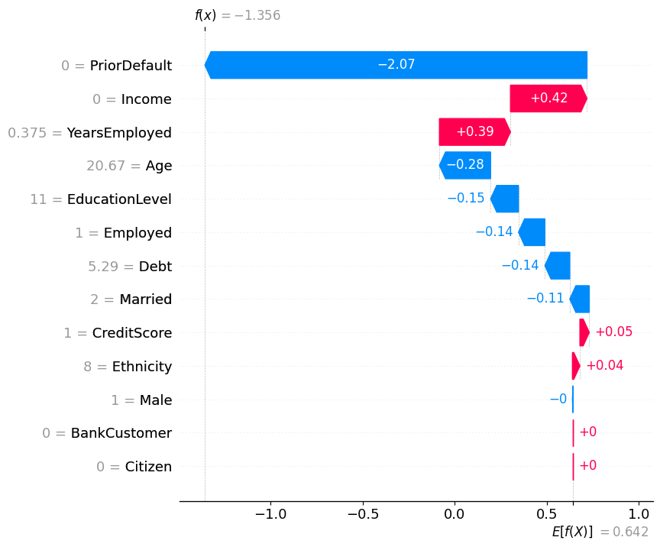
dataset.describe()
 | A2 (Age) | A3 (Debt) | A8 (YearsEmployed) | A14 (CreditScore) | Income (proxy) |  |  | mean | std | min | 25% | 50% | 75% | max | Observations
count | 678 | 690 | 690 | 690 | 690 |  | A2 (Age) | 31.568171 | 11.957862 | 13.75 | 22.6025 | 28.46 | 38.23 | 80.25 | Positively skewed, majority of applicants under 40.
mean | 31.568171 | 4.758725 | 2.223406 | 2.4 | 1017.385507 |  | A3 (Debt) | 4.758725 | 4.978163 | 0 | 1 | 2.75 | 7.2075 | 28 | Broad spread indicates heterogeneous applicant debt levels.
std | 11.957862 | 4.978163 | 3.346513 | 4.86294 | 5210.102598 |  | A8 (YearsEmployed) | 2.223406 | 3.346513 | 0 | 0.165 | 1 | 2.625 | 28.5 | Short employment tenures common, vital for fairness testing.
min | 13.75 | 0 | 0 | 0 | 0 |  | A14 (CreditScore) | 2.4 | 4.86294 | 0 | 0 | 0 | 3 | 67 | Sparse and skewed, required normalization.
25% | 22.6025 | 1 | 0.165 | 0 | 0 |  | Income (proxy) | 1017.385507 | 5210.102598 | 0 | 0 | 5 | 395.5 | 100000 | Highly skewed, capped during preprocessing to avoid model bias.
50% | 28.46 | 2.75 | 1 | 0 | 5
75% | 38.23 | 7.2075 | 2.625 | 3 | 395.5
max | 80.25 | 28 | 28.5 | 67 | 100000

dataset.info()
<class 'pandas.core.frame.DataFrame'>
RangeIndex: 690 entries, 0 to 689
Data columns (total 16 columns):
# Column Non-Null Count Dtype
--- ------ -------------- -----
0 Male 690 non-null object
1 Age 690 non-null float64
2 Debt 690 non-null float64
3 Married 690 non-null object
4 BankCustomer 690 non-null object
5 EducationLevel 690 non-null object
6 Ethnicity 690 non-null object
7 YearsEmployed 690 non-null float64
8 PriorDefault 690 non-null object
9 Employed 690 non-null object
10 CreditScore 690 non-null int64
11 DriversLicense 690 non-null object
12 Citizen 690 non-null object
13 ZipCode 690 non-null object
14 Income 690 non-null int64
15 Approved 690 non-null object
dtypes: float64(3), int64(2), object(11)
memory usage: 86.4+ KB

sns.countplot(data = dataset, x = 'Approved')
<Axes: xlabel='Approved', ylabel='count'>

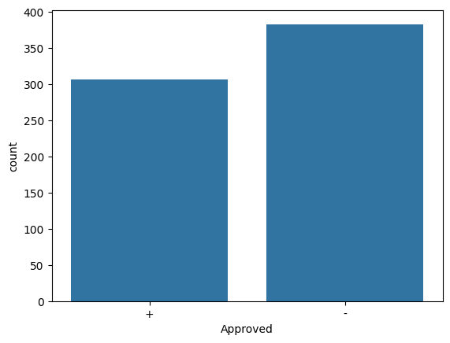

# Start the error analysis dashboard for XGBoost
# ErrorAnalysisDashboard(global_explanation_xgb, dataset=rescaledX_test, true_y=y_test, categorical_features=categorical_features, pred_y=y_pred_xgb)
ErrorAnalysisDashboard(global_explanation_lgb, lgb_model, dataset=rescaledX_test, true_y=y_test, categorical_features=categorical_features)
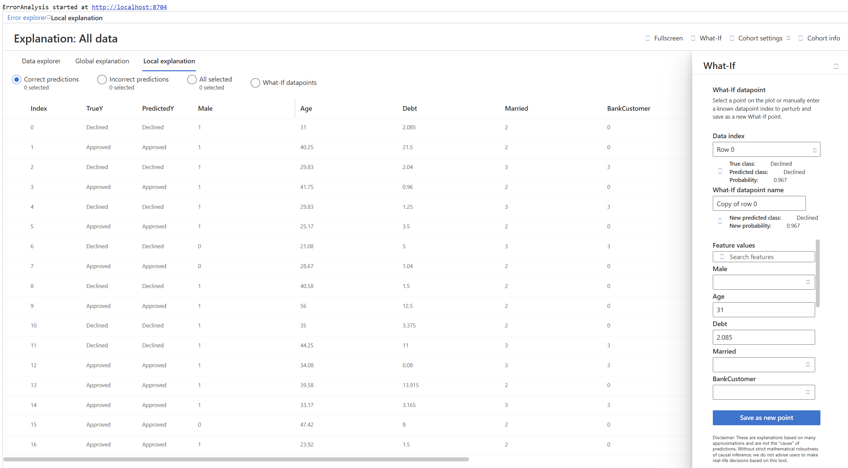

ExplanationDashboard(global_explanation_lgb, lgb_model, dataset=rescaledX_test, true_y=y_test)
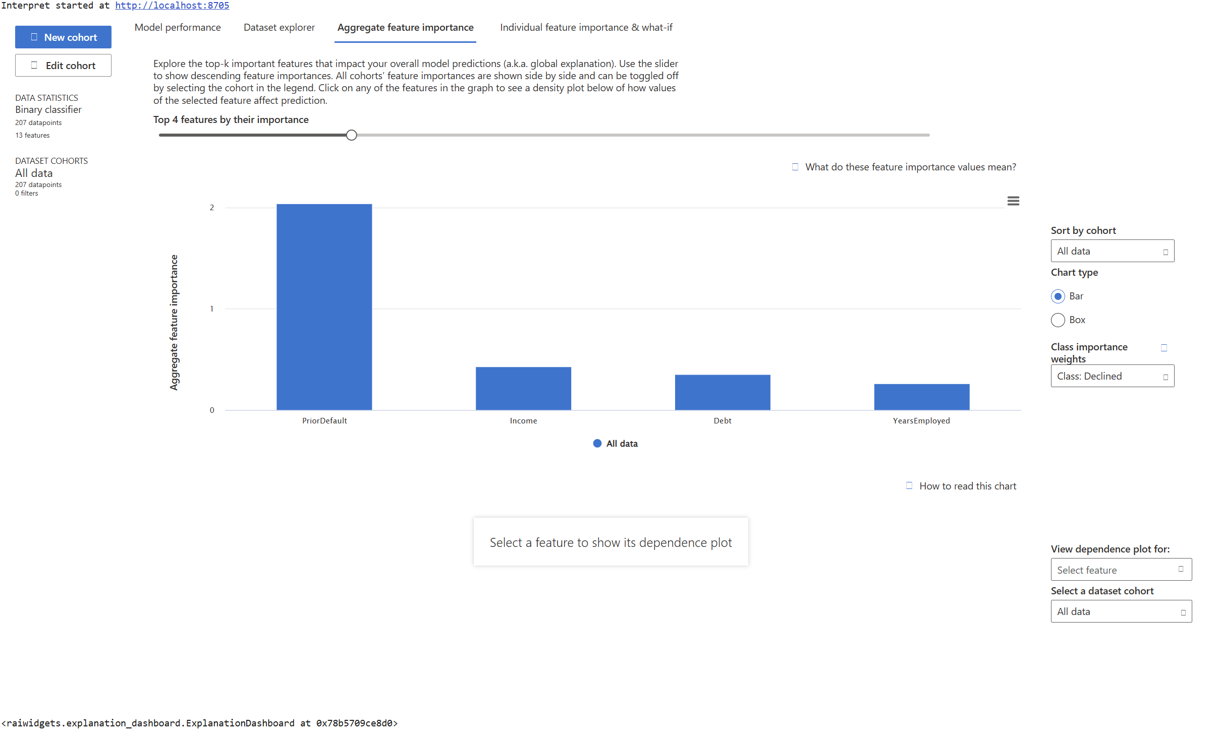

# Scatter plot
# Assuming you want to plot for feature at index 2 and the first class (index 0):
shap.plots.scatter(shap_values[:, 2, 0], color=shap_values[:, 2, 0])
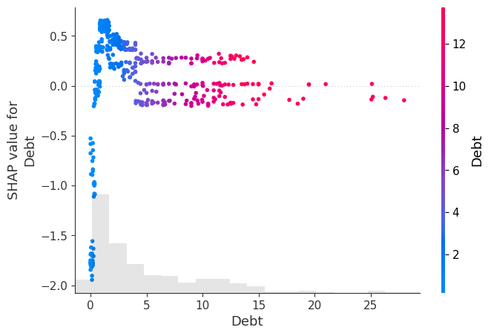

# Assuming it is a binary classification problem, select the first output class (index 0)
shap.waterfall_plot(shap_values[0, :, 0], max_display=13)
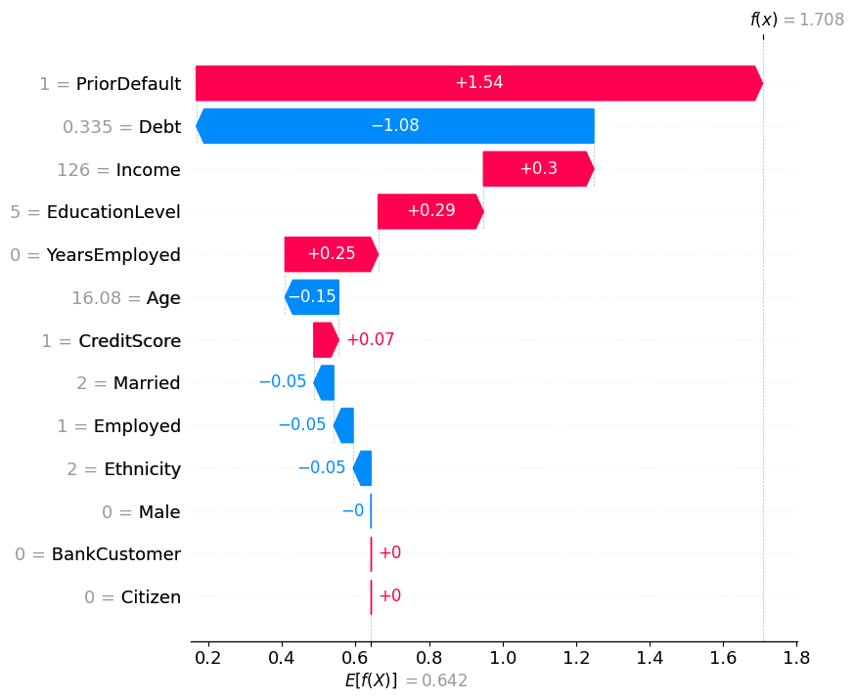

# Select the SHAP values for the first class (assuming binary classification)
shap_values_class0 = shap_values[:, :, 0]

# Create the beeswarm plot for the first class
shap.plots.beeswarm(shap_values_class0, max_display=13)
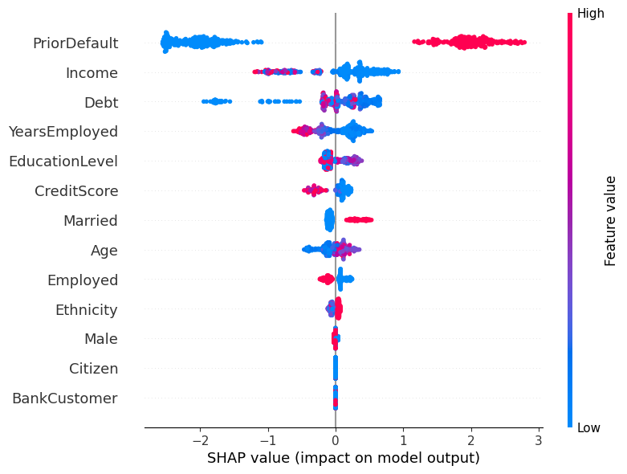

# Bar plot
shap.plots.bar(shap_values[:, :, 0], max_display=13) # Access the first output class of the SHAP values
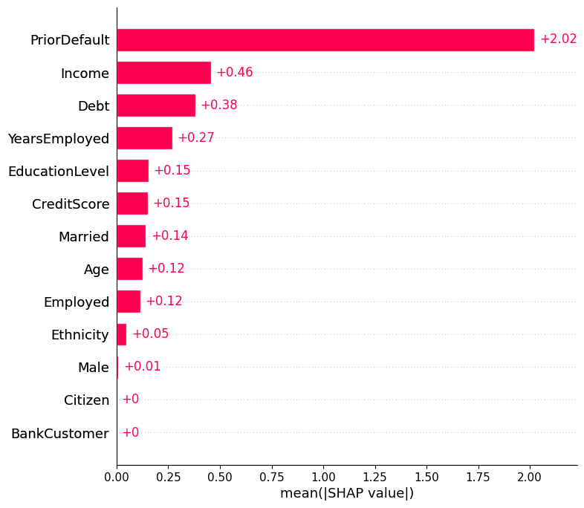

# Summary plot
shap.summary_plot(shap_values=shap_values.values[:, :, 0], features=rescaledX_train, feature_names=features, plot_type='bar', max_display=13) # Pass shap_values.values[:, :, 0], feature_names
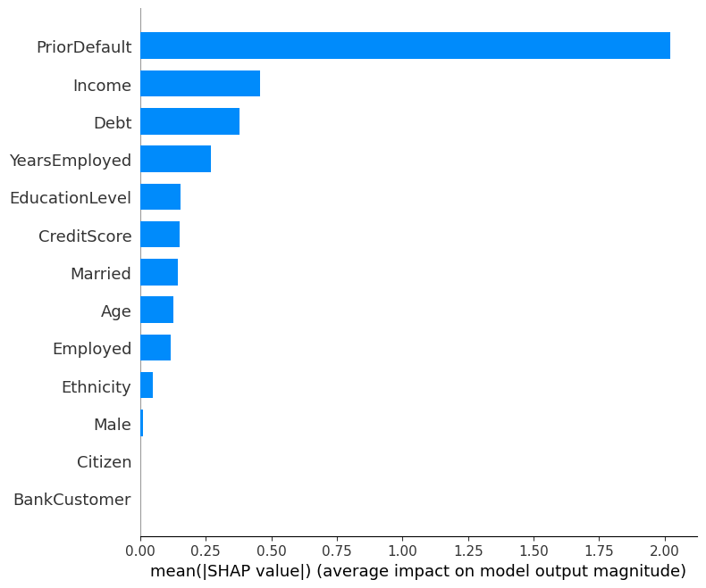

Case 1: Both bank and model approved credit card request
 | Male | Age | Debt | Married | BankCustomer | EducationLevel | Ethnicity | PriorDefault | Employed | CreditScore | Citizen | Income | Decision | Prediction
1 | 1 | 40.25 | 21.5 | 2 | 0 | 4 | 9 | 0 | 1 | 11 | 0 | 1200 | 1 | 1
3 | 1 | 41.75 | 0.96 | 2 | 0 | 14 | 8 | 0 | 0 | 0 | 0 | 600 | 1 | 1
5 | 1 | 25.17 | 3.5 | 2 | 0 | 2 | 8 | 0 | 1 | 7 | 0 | 7059 | 1 | 1
7 | 0 | 28.67 | 1.04 | 2 | 0 | 1 | 8 | 0 | 1 | 5 | 0 | 1430 | 1 | 1
9 | 1 | 56 | 12.5 | 2 | 0 | 8 | 3 | 0 | 0 | 0 | 0 | 2028 | 1 | 1
12 | 1 | 34.08 | 0.08 | 3 | 3 | 9 | 0 | 0 | 1 | 1 | 0 | 2000 | 1 | 1
15 | 0 | 47.42 | 8 | 2 | 0 | 4 | 0 | 0 | 1 | 6 | 0 | 51100 | 1 | 1
16 | 1 | 23.92 | 1.5 | 2 | 0 | 3 | 3 | 0 | 1 | 6 | 0 | 327 | 1 | 1
18 | 1 | 39.5 | 4.25 | 2 | 0 | 1 | 0 | 0 | 1 | 16 | 0 | 1210 | 1 | 1
19 | 1 | 29.92 | 1.835 | 2 | 0 | 1 | 3 | 0 | 0 | 0 | 0 | 200 | 1 | 1
20 | 0 | 20.67 | 3 | 2 | 0 | 11 | 8 | 0 | 1 | 3 | 0 | 6 | 1 | 1
23 | 1 | 55.92 | 11.5 | 2 | 0 | 5 | 2 | 0 | 1 | 5 | 0 | 8851 | 1 | 1
24 | 1 | 25.08 | 1.71 | 2 | 0 | 14 | 8 | 0 | 1 | 1 | 0 | 20 | 1 | 1
31 | 1 | 76.75 | 22.29 | 2 | 0 | 4 | 9 | 0 | 1 | 1 | 0 | 109 | 1 | 1
39 | 1 | 19.33 | 9.5 | 2 | 0 | 11 | 8 | 0 | 0 | 0 | 0 | 400 | 1 | 1
45 | 0 | 18.83 | 9.5 | 2 | 0 | 13 | 8 | 0 | 1 | 6 | 0 | 600 | 1 | 1
52 | 0 | 20.75 | 10.335 | 2 | 0 | 2 | 3 | 0 | 1 | 1 | 0 | 50 | 1 | 1
56 | 1 | 20.42 | 1.835 | 2 | 0 | 1 | 8 | 0 | 1 | 1 | 0 | 150 | 1 | 1
61 | 1 | 51.33 | 10 | 2 | 0 | 6 | 0 | 0 | 1 | 11 | 0 | 1249 | 1 | 1
63 | 1 | 19.17 | 9.5 | 2 | 0 | 13 | 8 | 0 | 0 | 0 | 0 | 2206 | 1 | 1
76 | 1 | 42.5 | 4.915 | 3 | 3 | 13 | 8 | 0 | 0 | 0 | 0 | 1442 | 1 | 1
79 | 1 | 64.08 | 20 | 2 | 0 | 14 | 3 | 0 | 1 | 9 | 0 | 1000 | 1 | 1
84 | 0 | 60.58 | 16.5 | 2 | 0 | 11 | 8 | 0 | 0 | 0 | 0 | 10561 | 1 | 1
85 | 1 | 27.83 | 1.5 | 2 | 0 | 13 | 8 | 0 | 1 | 11 | 0 | 35 | 1 | 1
94 | 0 | 17.83 | 11 | 2 | 0 | 14 | 3 | 0 | 1 | 11 | 0 | 3000 | 1 | 1
97 | 0 | 22.42 | 11.25 | 3 | 3 | 14 | 3 | 0 | 1 | 4 | 0 | 321 | 1 | 1
119 | 0 | 46 | 4 | 2 | 0 | 7 | 4 | 0 | 0 | 0 | 0 | 960 | 1 | 1
122 | 0 | 30.67 | 12 | 2 | 0 | 1 | 8 | 0 | 1 | 1 | 0 | 19 | 1 | 1
125 | 0 | 58.33 | 10 | 2 | 0 | 11 | 8 | 0 | 1 | 14 | 0 | 1602 | 1 | 1
126 | 0 | 60.92 | 5 | 2 | 0 | 0 | 8 | 0 | 1 | 4 | 0 | 99 | 1 | 1
128 | 1 | 32.67 | 5.5 | 2 | 0 | 11 | 3 | 0 | 1 | 12 | 0 | 1000 | 1 | 1
129 | 1 | 45 | 8.5 | 2 | 0 | 2 | 3 | 0 | 1 | 1 | 0 | 2000 | 1 | 1
136 | 1 | 20.5 | 2.415 | 2 | 0 | 1 | 8 | 0 | 1 | 11 | 0 | 3000 | 1 | 1
140 | 1 | 21.33 | 7.5 | 2 | 0 | 0 | 8 | 0 | 1 | 1 | 0 | 9800 | 1 | 1
141 | 1 | 39.92 | 6.21 | 2 | 0 | 11 | 8 | 0 | 1 | 1 | 0 | 300 | 1 | 1
148 | 0 | 26.08 | 8.665 | 2 | 0 | 0 | 8 | 0 | 0 | 0 | 0 | 150 | 1 | 1
150 | 1 | 48.75 | 8.5 | 2 | 0 | 1 | 3 | 0 | 1 | 9 | 0 | 1655 | 1 | 1
153 | 0 | 24.75 | 12.5 | 2 | 0 | 0 | 8 | 0 | 1 | 12 | 0 | 567 | 1 | 1
154 | 1 | 34.17 | 9.17 | 2 | 0 | 1 | 8 | 0 | 1 | 12 | 0 | 221 | 1 | 1
159 | 0 | 36 | 1 | 2 | 0 | 1 | 8 | 0 | 1 | 11 | 0 | 456 | 1 | 1
160 | 0 | 40.33 | 7.54 | 3 | 3 | 11 | 3 | 0 | 1 | 14 | 0 | 2300 | 1 | 1
162 | 1 | 24.83 | 2.75 | 2 | 0 | 1 | 8 | 0 | 1 | 6 | 0 | 600 | 1 | 1
171 | 1 | 28.25 | 5.04 | 3 | 3 | 1 | 0 | 0 | 1 | 8 | 0 | 7 | 1 | 1
174 | 1 | 25.67 | 12.5 | 2 | 0 | 2 | 8 | 0 | 1 | 67 | 0 | 258 | 1 | 1
178 | 0 | 47.75 | 8 | 2 | 0 | 1 | 8 | 0 | 1 | 6 | 0 | 1260 | 1 | 1
180 | 1 | 32.83 | 2.5 | 2 | 0 | 2 | 3 | 0 | 1 | 6 | 0 | 2072 | 1 | 1
184 | 0 | 24.08 | 0.5 | 2 | 0 | 11 | 3 | 0 | 1 | 1 | 0 | 678 | 1 | 1
186 | 1 | 43 | 0.29 | 3 | 3 | 2 | 3 | 0 | 1 | 8 | 0 | 375 | 1 | 1
188 | 1 | 27.25 | 1.585 | 2 | 0 | 2 | 3 | 0 | 1 | 12 | 0 | 713 | 1 | 1
189 | 1 | 54.33 | 6.75 | 2 | 0 | 1 | 3 | 0 | 1 | 11 | 0 | 284 | 1 | 1
190 | 1 | 43.08 | 0.375 | 3 | 3 | 1 | 8 | 0 | 1 | 8 | 0 | 162 | 1 | 1
193 | 1 | 28.92 | 15 | 2 | 0 | 1 | 3 | 0 | 1 | 11 | 0 | 2283 | 1 | 1
199 | 0 | 22.58 | 10.75 | 2 | 0 | 11 | 8 | 0 | 1 | 5 | 0 | 560 | 1 | 1
200 | 0 | 36.75 | 5.125 | 2 | 0 | 4 | 8 | 0 | 0 | 0 | 0 | 4000 | 1 | 1
204 | 1 | 57.83 | 7.04 | 2 | 0 | 9 | 8 | 0 | 1 | 6 | 0 | 1332 | 1 | 1

Case 1: Both bank and model approved credit card request
# Waterfall plot
shap.waterfall_plot(shap_values_approved[:, 0], max_display=13) # Access the first instance's explanation for the first class
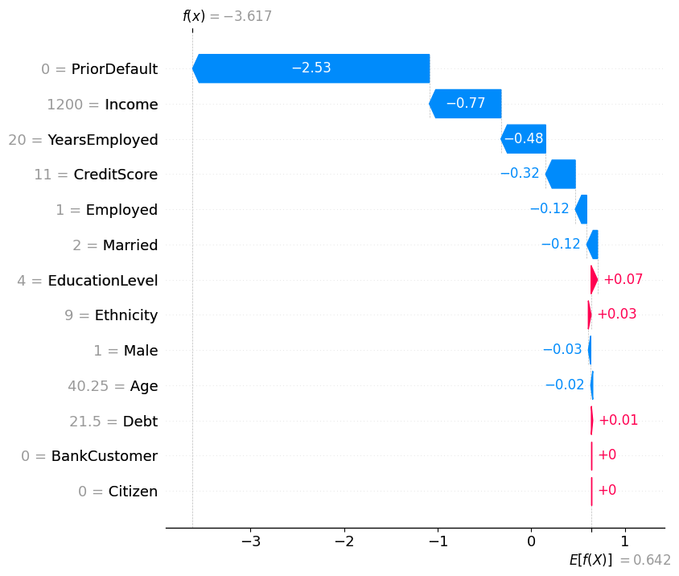

Case 2: Both bank and model declined the credit card request
# Waterfall plot
# Assuming it is a binary classification problem, select the first output class (index 0)
shap.waterfall_plot(shap_values_declined[0, :, 0], max_display=13)
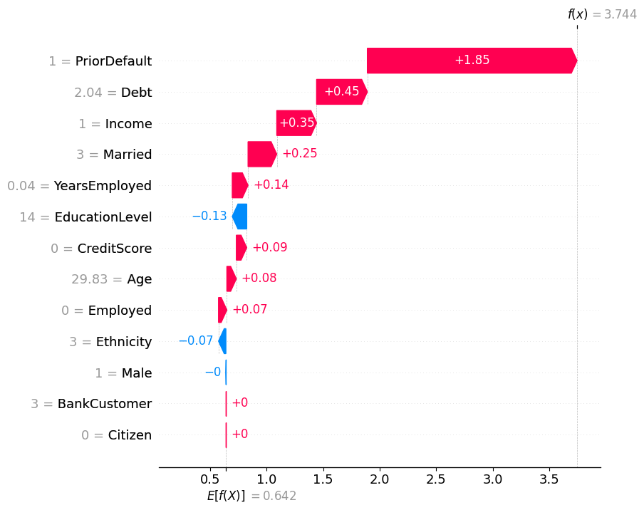

Case 3: Bank approved credit card request, while model rejected it
# Waterfall plot
# Select the SHAP values for the desired class (e.g., class 0 for binary classification)
shap.waterfall_plot(shap_values_approved_declined[0, :, 0], max_display=13) # Access the first instance's explanation for the first class
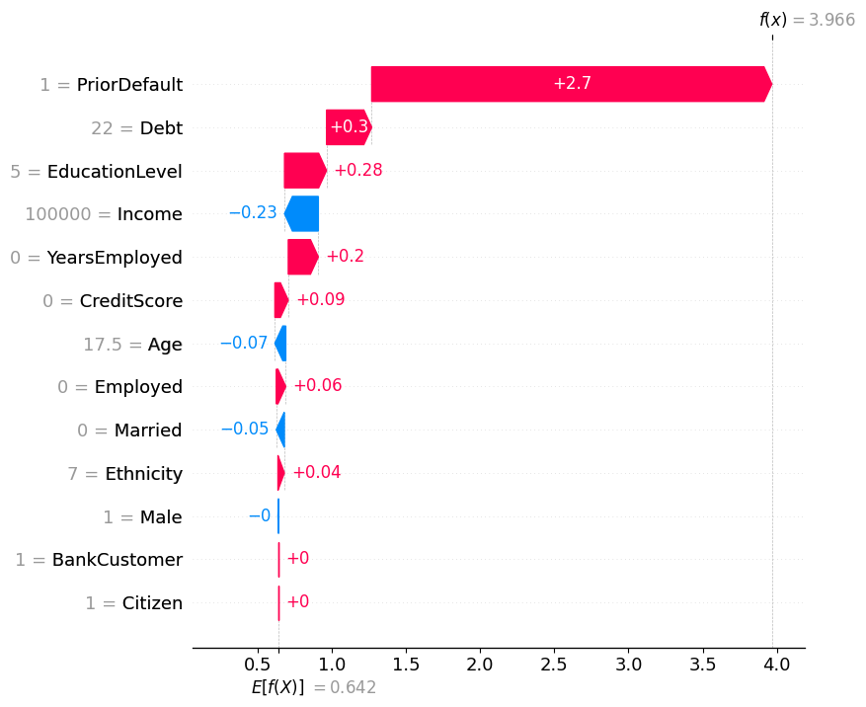

Case 4: Bank rejected credit card request, while model approved it
# Waterfall plot
shap.waterfall_plot(shap_values_declined_approved[0, :, 0], max_display=13) # Access the first instance's explanation for the first class

